Sheet1
0=1 |  |  |  |  |  | n = 20
1=0 | 6=1 | 11=5 | 16=5 |  | Range | Max-Min | =20-0 | =20
2=1 | 7=1 | 12=9 | 17=4
3=0 | 8=1 | 13=8 | 18=2 |  | Kelas | log n/log 20 | = 1.7782
4=1 | 9=4 | 14=4 | 19=0 |  |  |  | = (1+(3.322*1.7782))
5=0 | 10=4 | 15=7 | 20=2 |  |  |  | 6.9072 | =6
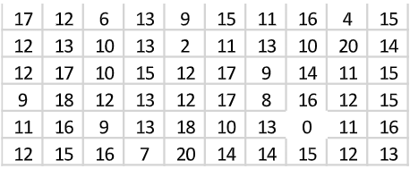
 |  |  |  |  | interval | Range-Kelas | 3.3333333333 | =4

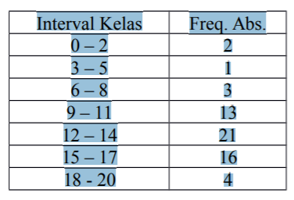
 | Kelas | Interval | Frekuensi (fi) | Frekuensi Relatif (%) | Frekuensi Kumulatif | Frekuensi Kumulatif (%)
 | 1 | 0-3 | 2 | 3.33 | 2 | 3%
 | 2 | 4-7 | 3 | 5.00 | 5 | 8%
 | 3 | 8-11 | 14 | 23.33 | 19 | 32%
 | 4 | 12-15 | 28 | 46.67 | 47 | 78%
 | 5 | 16-19 | 11 | 18.33 | 58 | 97%
 | 6 | 20-23 | 2 | 3.33 | 60 | 100%
 | ∑fi |  | 60

b | Kelas | Interval | Frekuensi (fi) | Frekuensi Kumulatif |  | Interval | =4
 | 1 | 0-3 | 2 | 2 |  | 1/4.n | =15
 | 2 | 4-7 | 3 | 5 |  | Q1 | 10.36
 | 3 | 8-11 | 14 | 19 | =>Q1
 | 4 | 12-15 | 28 | 47 | =>Q2&Q3 | 2/4.n | =30
 | 5 | 16-19 | 11 | 58 |  | Q2 | 13.07
 | 6 | 20-23 | 2 | 60
 | ∑fi |  | 60 |  |  | 3/4.n | =45
 |  |  |  |  |  | Q3 | 15.21

c | Kelas | Interval | Frekuensi (fi) | Frekuensi Kumulatif |  | Interval | =4
 | 1 | 0-3 | 2 | 2 |  | 4/10.n | =24
 | 2 | 4-7 | 3 | 5 |  | D4 | 12.21
 | 3 | 8-11 | 14 | 19
 | 4 | 12-15 | 28 | 47 | =D4&D7 | 7/10.n | =42
 | 5 | 16-19 | 11 | 58 | =D9 | D7 | 14.79
 | 6 | 20-23 | 2 | 60
 | ∑fi |  | 60 |  |  | 9/10.n | =54
 |  |  |  |  |  | D9 | 18.05

d | Kelas | Interval | Frekuensi (fi) | Frekuensi Kumulatif |  | Interval | =4
 | 1 | 0-3 | 2 | 2 |  | 10/100.n | =6
 | 2 | 4-7 | 3 | 5 |  | P10 | 7.79
 | 3 | 8-11 | 14 | 19 | =>P10&P22
 | 4 | 12-15 | 28 | 47 | =>P66&P70 | 22/100.n | =13,2
 | 5 | 16-19 | 11 | 58 |  | P22 | 9.84
 | 6 | 20-23 | 2 | 60
 | ∑fi |  | 60 |  |  | 66/100.n | =39,6
 |  |  |  |  |  | P66 | 14.44

 |  |  |  |  |  | 70/100 | =42
 |  |  |  |  |  | P70 | 14.79

